NewJoineeForm
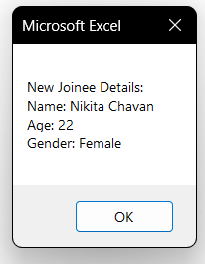
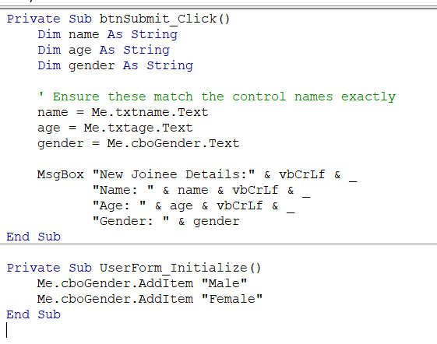
Create a form which captures New Joinee Details (Name,Age,Gender) and display the details on msgbox
Note: Assign a Macro to a 'Submit' Button

